Sheet1
SR NO. | NAME | PHOTOS
1 | SOLANKI KANTIBHAI HIRABHAI | 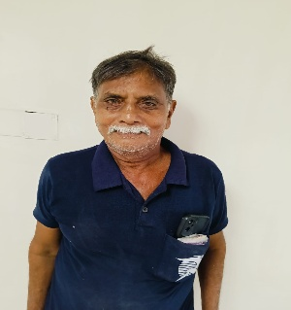
2 | PARMAR MANJULABEN RAJESHBHAI | 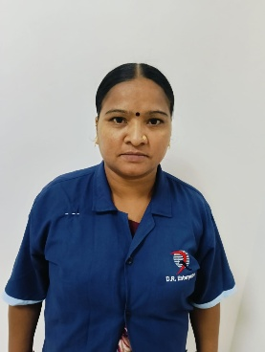
3 | RAJESHBHAI NANABHAI PARMAR | 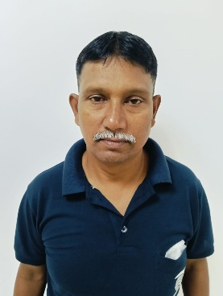
4 | PANDYA JAGRUTIBEN | 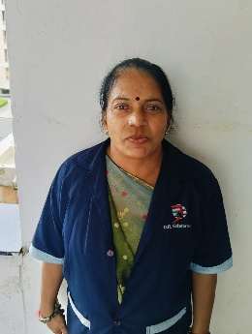
5 | PARMAR ASHABEN PARESHBHAI | 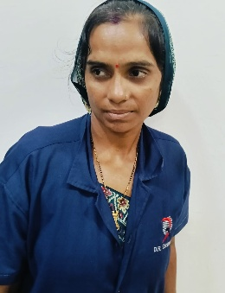
6 | RAVAL ASHABEN JASHVANTBHAI | 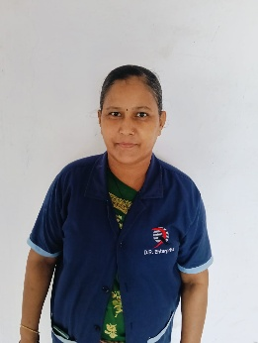
7 | BHANGI GOVINDBHAI NATHABHAI | 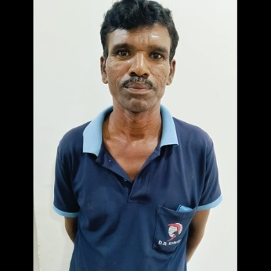
8 | SENMA KAJALBEN HARGOVAN | 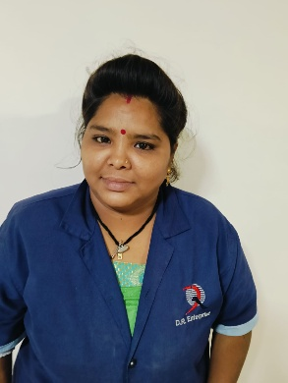
9 | RAVAL KOKILABEN AMRATBHAI | 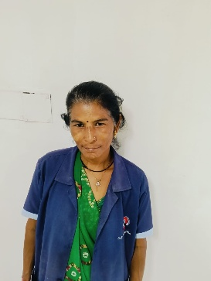
10 | CHAMAR HASMUKHBHAI GANPATBHAI | 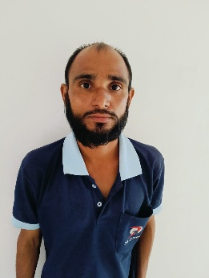
11 | CHAMAR JASHUBEN HASMUKHBHAI | 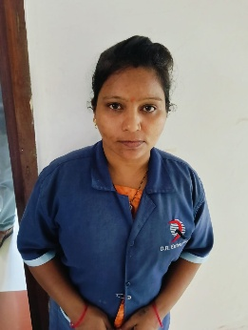
12 | RAVAL MADHUBEN GHELAABHAI | 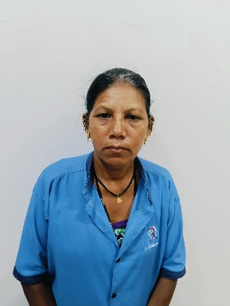
13 | RATHOD RAJU POPATBHAI | 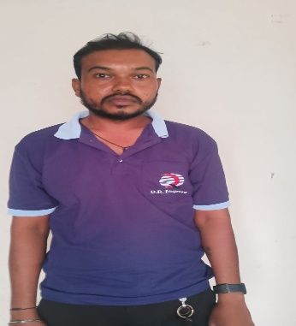
14 | SENMA HARKHIBEN KANTIBHAI | 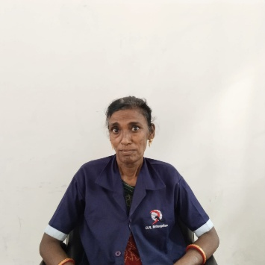
15 | VAGHELA BHAVNABEN DINESHBHAI | 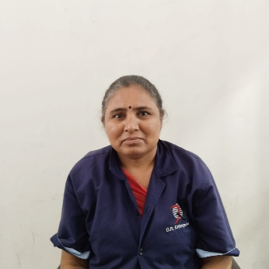
16 | VAGHELA JYANTIBHAI ARJANBHAI | 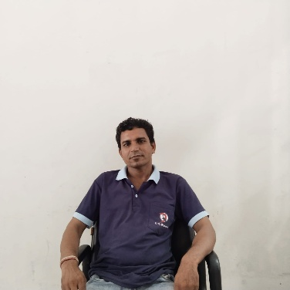
17 | MAKWANA LATABEN SHAILESHBHAI | 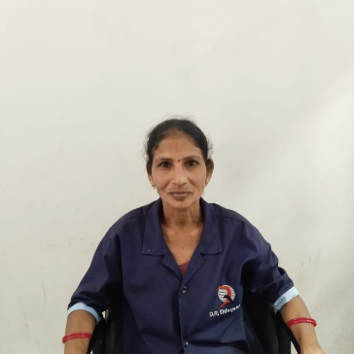
18 | MAKWANA NANDABEN NARENDRABHAI | 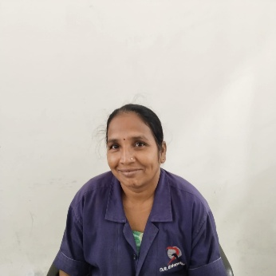
19 | PARMAR NEETABEN BALDEVBHAI | 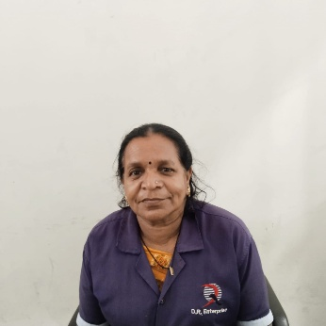
20 | PARMAR MAHENDRA PUNJABHAI | 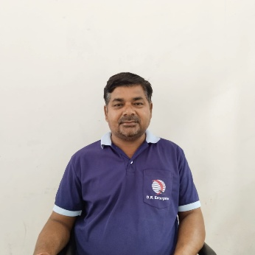
21 | VANKAR SONALBEN ASHVINBHAI | 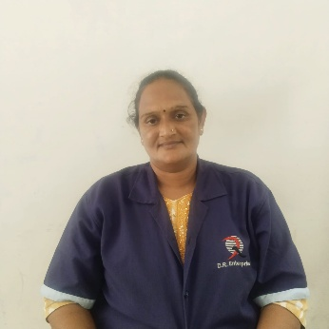
22 | PARMAR GANPAT KESHABHAI | 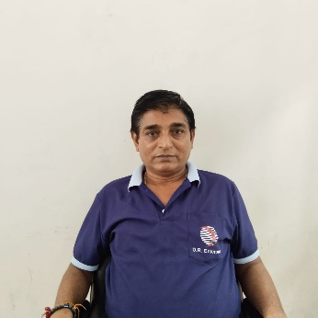
23 | RAVAL CHEHARBHAI SHAKARABHAI | 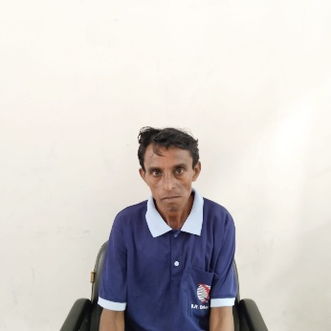
24 | VAGHELA MAHESHBHAI KANTIBHAI | 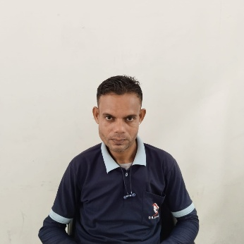
25 | VANKAR GEETABEN NATVARBHAI | 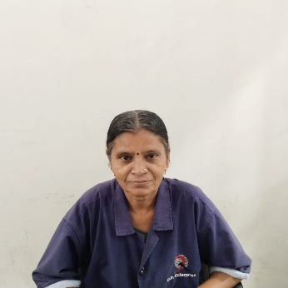
26 | CHAVDA RAMESH MANILAL | 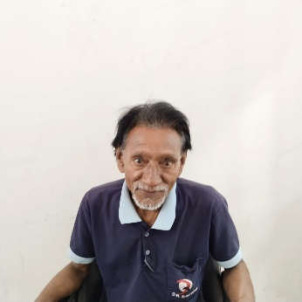
27 | PARMAR RAHUL PRAVINBHAI | 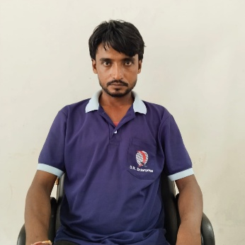
28 | PATEL BALDEVBHAI RASIKBHAI | 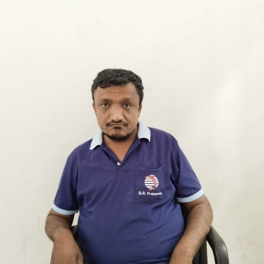
29 | PARMAR SUNITABEN BALDEVJI | 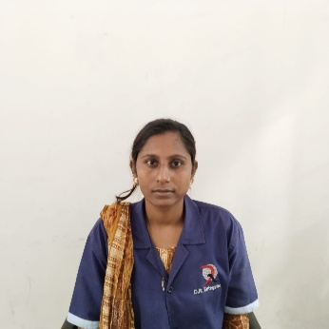
30 | PARMAR JAYESHBHAI HIRABHAI | 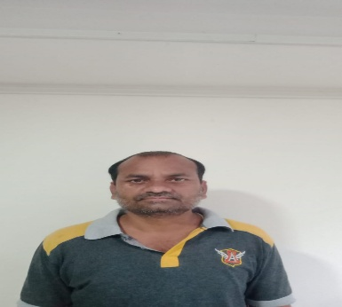
31 | MANGUBEN DAHYABHAI SAGATHIYA | 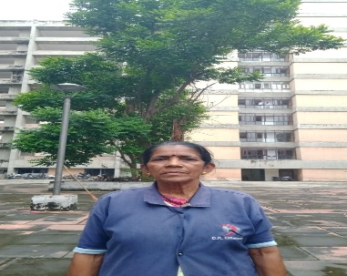
32 | MUKESHBHAI NATVARBHAI SADHU | 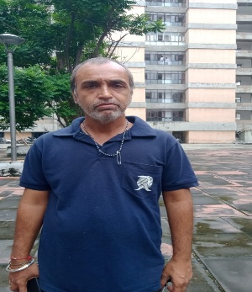
33 | PARMAR CHANDRIKABEN MAHESHBHAI
34 | VAGHELA JITENDRABHAI DINESHBHAI
35 | VAGHELA ASHABEN DINESHBHAI
36 | SENMA BHAVNABEN AMRUTBHAI
37 | PARMAR ALKABEN | 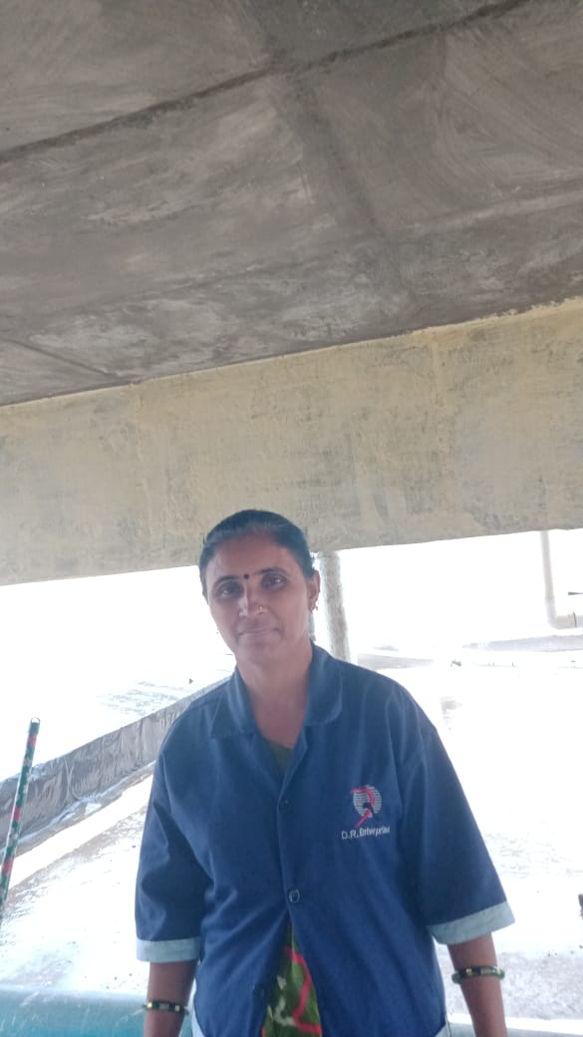
38 | SOLANKI JAGDISHBHAI DHARMABHAI | 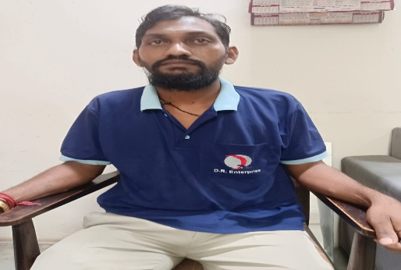
39 | PARMAR JAYABEN JASHVANTBHAI | 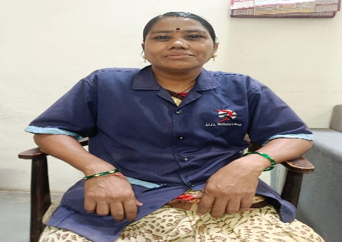
40 | VAGHELA PRAVINKUMAR AATMARAM | 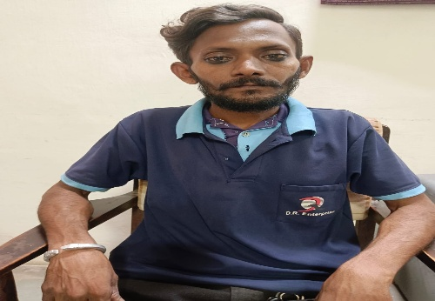
41 | VANKAR ARUNABEN KIRITBHAI | 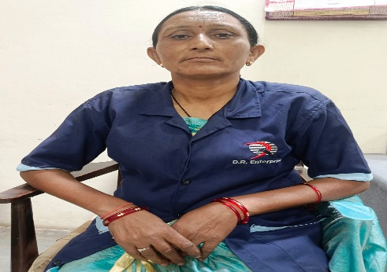
42 | JADAV DAXABEN BHARATBHAI | 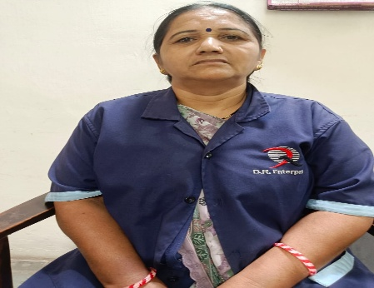
43 | RAVAL SANGITABEN MAHESHBHAI | 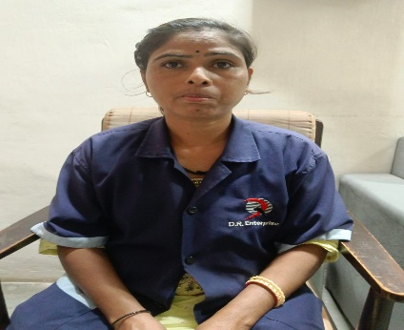
44 | CHAVDA AMIBEN R. | 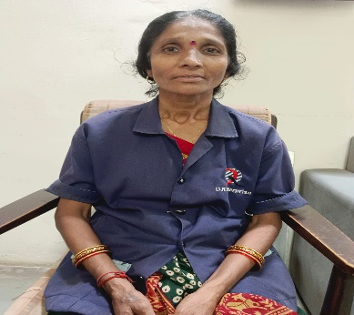
45 | DIPAKKUMAR BALDEVBHAI PARMAR | 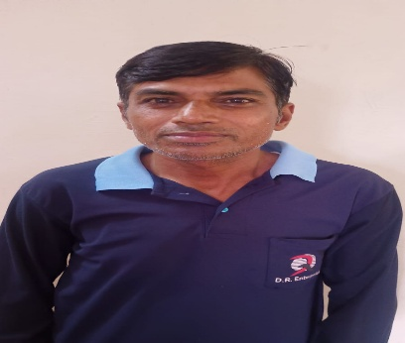
46 | SOLANKI PRAGNABEN CHAMANBHAI | 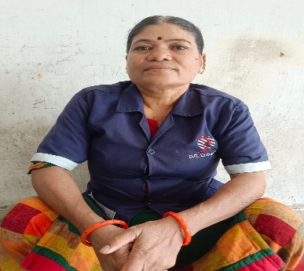
47 | PANDYA RENUKABEN MANISHKUMAR | 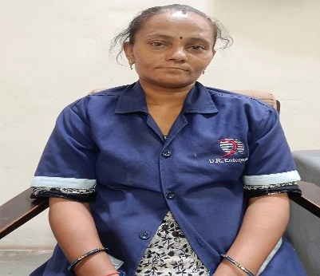
48 | PARMAR RAMILABEN KANTIBHAI | 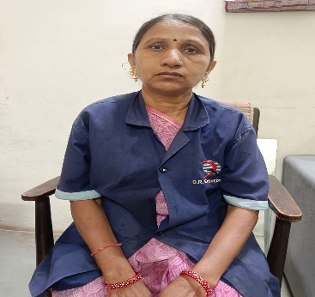
49 | PANDYA DAXABEN KANUBHAI | 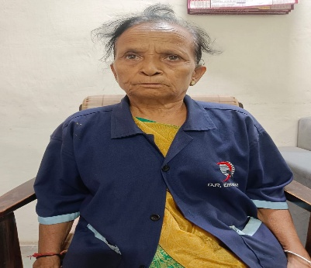
50 | PRAJAPATI SUSHILABEN RAMESHBHAI | 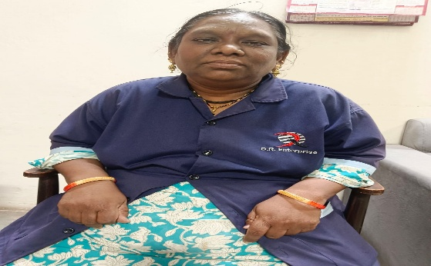
51 | VAGHELA NITINBHAI KALABHAI | 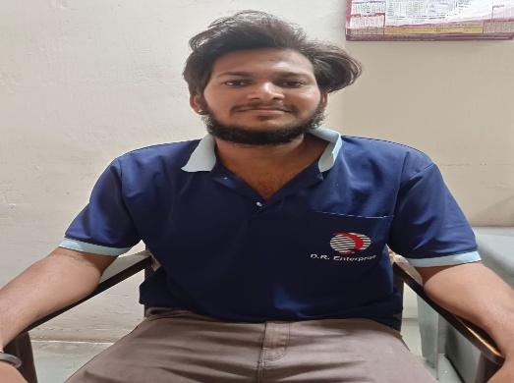
52 | VAGHELA JYOTSANA KANTIBHAI | 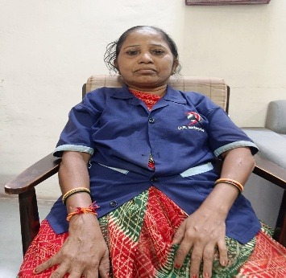
53 | RATHOD KALABHAI MOHANBHAI | 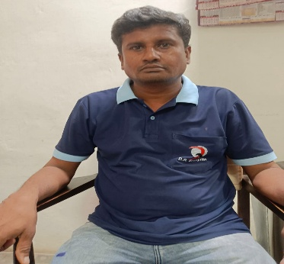
54 | PRAVIN SAGHATHIYA | 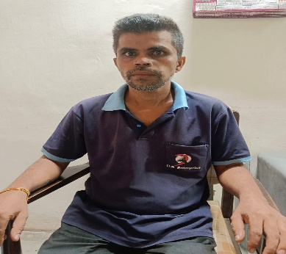
55 | PARMAR AXAYKUMAR KESHVLAL | 
56 | HASMUKHBHAI GANPATBHAI PARMAR | 
57 | NARSINHBHAI SOMABHAI SHRIMALI | 
58 | PARMAR CHIMANBHAI GABHABHAI | 
59 | PARMAR GITABEN CHIMANBHAI | 
60 | HANSABEN MELABHAI RAVAL | 
61 | PARMAR VARSHABEN DIPAKKUMAR | 
62 | PARMAR SUREKHABEN KHENGARBHAI | 
63 | CHAMAR FUSABHAI BAVABHAI | 
64 | PARMAR RANJANBEN KANUBHAI | 
65 | PARMAR NARESHKUMAR BABABHAI | 
66 | DIPAK GANDALAL PARMAR | 
67 | PARMAR MUKESH JETHABHAI | 
68 | BALUBEN MANILAL RAVAL | 
69 | MAKVANA RAMILABEN JITENDRABHAI | 
70 | PARMAR RAMILABEN VINODBHAI | 
71 | PARMAR MEGHNABEN | 
72 | CHAMAR DINESHKUMAR CHHANABHAI | 
73 | PANDYA HIREN | 
74 | BHIKHUJI JASUJI BIHOLA | 
75 | RAVAL ASHABEN PRADIPKUMAR | 
76 | VIKRAMBHAI KALIDAS VAGHELA | 
77 | PARMAR MAHESH SOMABHAI | 
78 | PANDYA JATINKUMAR | 
79 | RAULJI DIVYAJITSINH PRAVINSINH | 
80 | PARMAR RAJUBHAI MANGABHAI | 
81 | KATARA BIPINBHAI RATANSINH | 
82 | CHANDANA PINTU VASANTBHAI | 
83 | YADAV SAMLAJI MANUJI | 
84 | RAVAL NARESH JALABHAI | 
85 | NADIYA KAUSHIK KALPESHBHAI | 
86 | PRAJAPATI MAYUR YOGESHBHAI | 
87 | THAKOR BHAVSANGJI DHAMAJI | 
88 | THAKOR KARANSINH RANAJITJI | 
89 | PRAJAPATI SANDIP DHANABHAI | 
90 | PATEL SHAILESH MAGANBHAI | 
91 | BHANGI MANUBHAI AMRUTBHAI | 
92 | ZALA MAHAVIR BADARJI | 
93 | BIHOLA VISHNUSINH POPATJI | 
94 | PARMAR VASANT ATMARAM | 
95 | RATHOD SAHILKUMAR BABUBHAI | 
96 | YADAV MELAJI | 
97 | THAKOR TAKHABHAI SHIVABHAI | 
98 | RAVAL ATUL KALABHAI | 
99 | BIHOLA RAMSINH POPATSINH | 
100 | RAVAL BABUBHAI CHAGANABHAI | 
101 | THAKOR JAGDISH JAVANJI | 
102 | PARMAR CHIRAG ASHOKBHAI | 
103 | THAKOR RAVIBHAI KANTIBHAI | 
104 | RAVAL SHANKARBHAI GOKALBHAI | 
105 | VAGHARI BHARATBHAI KANTIBHAI | 
106 | THAKOR DILIP KARASANJI | 
107 | PURABIYA NARESH PANABHAI | 
108 | PARMAR CHANDRIKABEN KANTIBHAI | 
109 | PARMAR JASHIBEN MANILAL | 
110 | PARMAR URMILA MANILAL | 
111 | CHAUHAN MANISHABEN SHYAMBHAI | 
112 | PURABIYA DAXABEN NARESHBHAI | 
113 | PURABIYA ARUNABEN BABUBHAI | 
114 | THAKOR KAILASH SURESHBHAI | 
115 | BIHOLA RAMILABEN BHARATBHAI | 
116 | SOLANKI BHIKHIBEN JAYANTIBHAI | 
117 | SOLANKI BAKAJI SARDARJI | 
118 | NADIYA VIKRAM REVABHAI | 
119 | MEVADA RAHULKUMAR MAHESHBHAI | 
120 | VAGHELA YASHPALSINH ASHOKSINH | 
121 | NADIYA VIJAY RANCHHODBHAI | 
122 | PARMAR DIPAK JAGDISHBHAI | 
123 | THAKOR KARANJI VIKRAMJI | 
124 | THAKOR MANGIBEN CHEHARJI | 
125 | THAKOR MAHESH BABUBHAI | 
126 | VAGHELA JITENDRASINH GHABUBHAI | 
127 | ZALA VANRAJ KIRTINSINH | 
128 | VAGHELA GOVIND RAMJIBHAI | 
129 | THAKOR ASHOK BALDEVBHAI | 
130 | THAKOR KIRAN BALDEVBHAI | 
131 | RAVAL SANJAYBHAI DAHYABHAI | 
132 | SOLANKI KANUBHAI DANABHAI | 
133 | RAVAL DILIPBHAI RANCHODBHAI | 
134 | NADIYA JIGNESHBHAI CHIMANBHAI | 
135 | RAVAL KANUBHAI PRAHLAD | 
136 | PATEL YOGESH CHOTABHAI | 
137 | VANIYA VISHNUBHAI RAMANBHAI | 
138 | PARMAR ADITYAKUMAR ALAKHBHAI | 
139 | THAKOR MAYUR LAXMANJI | 
140 | THAKOR AJAY KAMLESHJI | 
141 | KALASVA RAJESHBHAI SAMABHAI | 
142 | BHANGI BABABHAI AMBABHAI | 
143 | THAKOR RANCHHODJI JUHAJI | 
144 | THAKOR LAXMIBEN BADARJI | 
145 | THAKOR BALVANT BADARJI | 
146 | SOLANKI LAXMIBEN DHARMABHAI | 
147 | PARMAR URVASHIBEN KANTIBHAI | 
148 | BHANGI HASUBEN MOHANBHAI | 
149 | BHANGI KAMUBEN SHANKARBHAI | 

